Dashboard
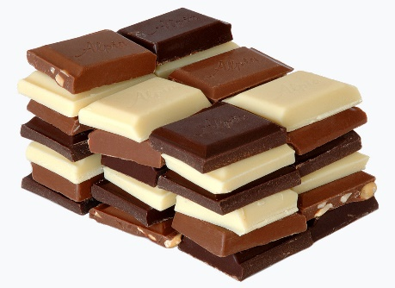
Performance Dashboards

Profit by market & Chocolate type
 | Chocolate Chip | Sugar | White Chocolate Macadamia Nut | Fortune Cookie | Snickerdoodle | Oatmeal Raisin
United Kingdom | £10 | £6 | £6 | £5 | £4 | £4
India | £11 | £6 | £5 | £4 | £5 | £4
United States | £10 | £6 | £6 | £4 | £4 | £5
Malaysia | £10 | £5 | £5 | £5 | £5 | £5
Philippines | £10 | £5 | £5 | £5 | £5 | £5
Unit sold each month
 | Total
Sep | 50,601
Oct | 95,622
Nov | 65,481
Dec | 52,970

Profit by country
 | Total
India | £35
Malaysia | £35
Philippines | £35
United Kingdom | £35
United States | £35

